Read Me
Document Title | RCL-RVM-CMQA1 Rascal Requirements Verification Matrix
Document Author | Tom Moline
Approved By | Nate Richard
Revision | -
Last Edit Date | 2013-11-04

Document Summary
This document consists of the Requirments Verification Matrix for various mission configurations of the Rascal Spacecraft. Each tab on the bottom of the page contains a separate RVM for each of said mission configurations. Regardless of the mission, each requirment listed in the RVM is defined relative to a specific phase of the mission (Integration and Testing, On-Orbit, Preliminary Design) and to a specific method of verification (Test, Analysis, Demo, Examine).
Testing verification consists of subjecting a particular design to vibration or functional testing, as needed. Analytical verification consists of FEM analysis of structural components, thermal modeling, orbit calculations, etc. Demo verification consists of demonstrating functionality outside of the context of teting. Examination verification consists of measurements and visual inspections.
Nomenclature
Shorthand | Long-form
I&T | Integration and Testing
PD | Preliminary Design
On-Orbit | On Orbit Requirements
GS | Ground Station
LSP | Launch Service Provider
SS | Separation & Stabilization
PLE | Post-Launch Ejection
SK | Stationkeeping
ESC | “Escape” Maneuver
RDZ | Rendezvous
PLD | Payload
ADC | Attitude Determination and Control
SSRL | Space Systems Research Laboratory
MOP | Mission Operations
STR | Structures
PRP | Propulsion
TST | Testing
RFP | Request for Proposal

Figure 1-Coordinate System
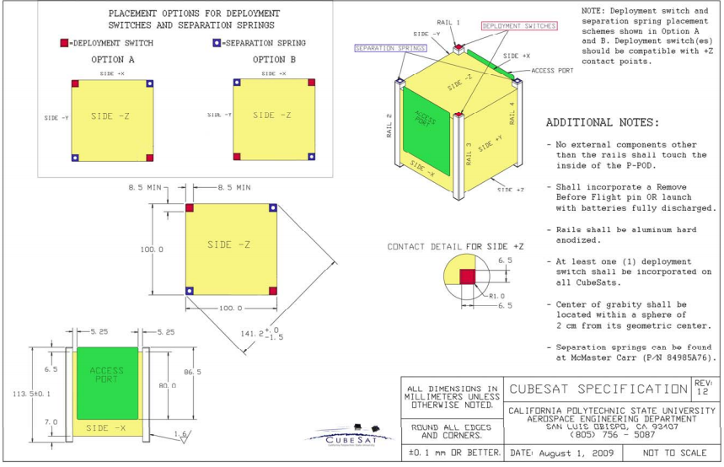

Figure 1- CubeSat Coordinate System

Figure 2- NASA Gevs
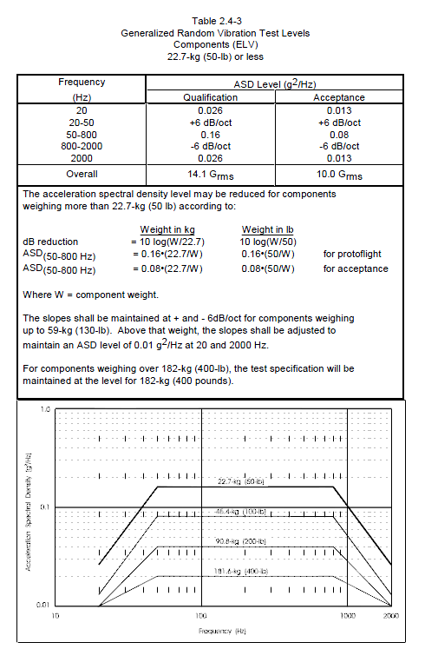

Figure 2- NASA GEVS Random Vibration Profile

